Sheet1
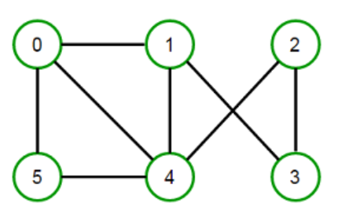
 | Nodes | 0 | 1 | 2 | 3 | 4 | 5
 | Color | 2 | 0 | 0 | 1 | 1 | 0
 | Max colors | 6 | 6 | 6 | 6 | 6 | 6

 |  |  |  |  |  |  |  |  | Minimize sum | 4
Constraints
 | Each adjacent node should have different colour |  | 1st Node | 2nd Node | Color of 1st node | Color of 2nd node | ABS(Color of 2nd - Color of 1st) | >= | 1
 | Node 0 | Node 1 | 0 | 1 | 0 | 2 | 2 | >= | 1
0
1
2
 |  | Node 4 | 0 | 4 | 1 | 2 | 1 | >= | 1
 |  | Node 5 | 0 | 5 | 0 | 2 | 2 | >= | 1
 | Node 1 | Node 0 | 1 | 0 | 2 | 0 | 2 | >= | 1
 |  | Node 4 | 1 | 4 | 1 | 0 | 1 | >= | 1
 |  | Node 3 | 1 | 3 | 1 | 0 | 1 | >= | 1
 | Node 2 | Node 3 | 2 | 3 | 1 | 0 | 1 | >= | 1
 |  | Node 4 | 2 | 4 | 1 | 0 | 1 | >= | 1
5
4
3
 | Node 3 | Node 2 | 3 | 2 | 0 | 1 | 1 | >= | 1
 |  | Node 1 | 3 | 1 | 0 | 1 | 1 | >= | 1
 | Node 4 | Node 1 | 4 | 1 | 0 | 1 | 1 | >= | 1
 |  | Node 2 | 4 | 2 | 0 | 1 | 1 | >= | 1
 |  | Node 0 | 4 | 0 | 2 | 1 | 1 | >= | 1
 |  | Node 5 | 4 | 5 | 0 | 1 | 1 | >= | 1
 | Node 5 | Node 0 | 5 | 0 | 2 | 0 | 2 | >= | 1
 |  | Node 4 | 5 | 4 | 1 | 0 | 1 | >= | 1

 | Y matrix
Colour | 0 | 1 | 2 | 3 | 4 | 5 | 6 |  | No. of colors used
Used or not | 1 | 1 | 1 | 0 | 0 | 0 | 0 |  | 3

